Sheet1
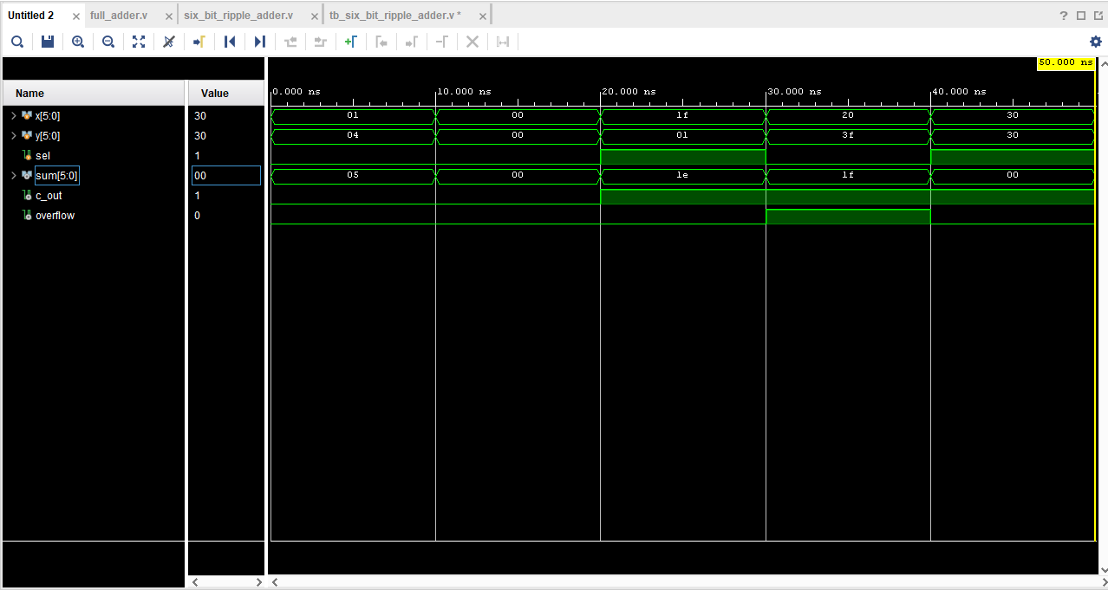
 | 1 + 4 | 0 +0 | "-32 - 1" | "-32 + (-1)" | "-16 - (-16)"
X | 1 | 0 | 1f | 20 | 30
Y | 4 | 0 | 0l | 3f | 30
SEL | 0 | 0 | 1 | 0 | 1
SUM | 5 | 0 | 1e | 1f | 0

